Journal
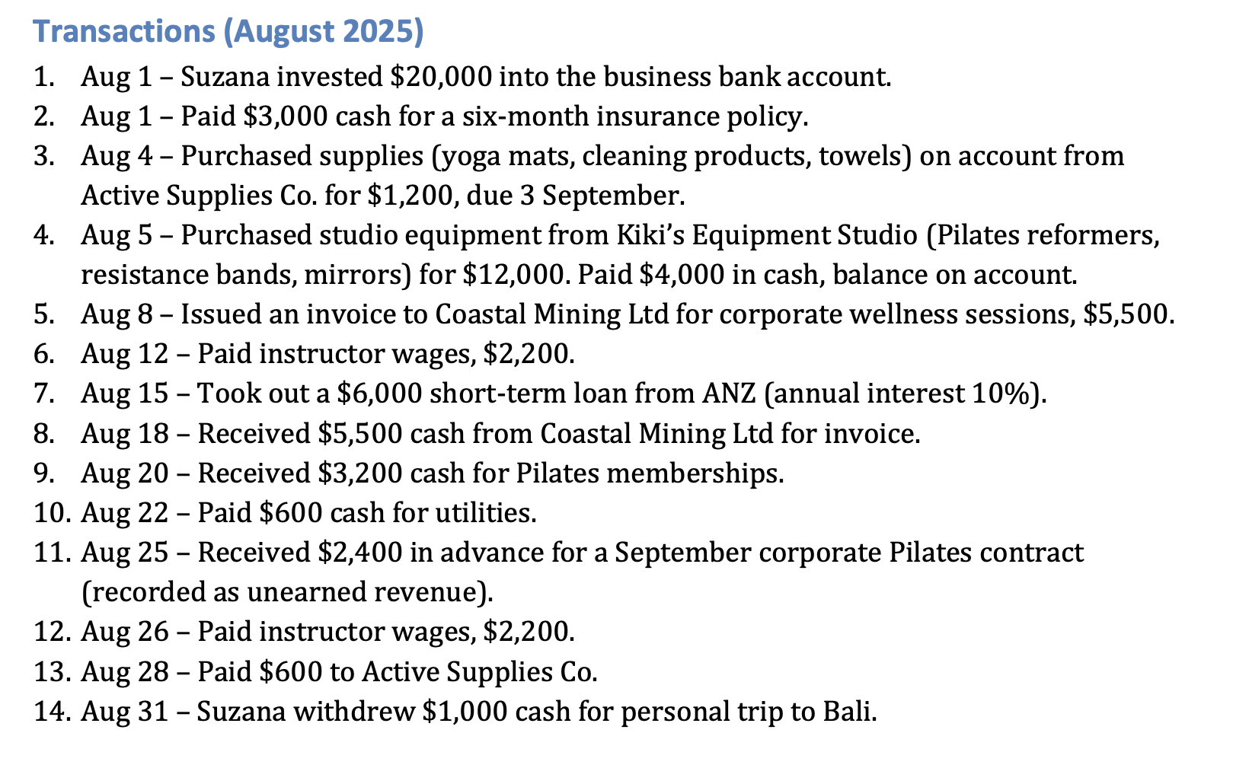
General Journal |  |  |  |  | Adjusted Journal
Ref | Date | Accounts | Dr ($) | Cr ($) | Ref | Date | Accounts | Dr ($) | Cr ($)
1 | 2026-08-01 | Bank | 20000 |  | 1 | 2026-08-31 | Insurance Expense | 500
 |  | Capital – Suzana P |  | 20000 |  |  | Prepaid Insurance |  | 500
 |  | (capital introduced) |  |  |  |  | (1-mth insurance expired $3000/6=$500)
2 | 2026-08-01 | Prepaid Insurance | 3000 |  | 2 | 2026-08-31 | Supplies Expense | 700
 |  | Bank |  | 3000 |  |  | Supplies |  | 700
 |  | (6-mth insurance prepaid) |  |  |  |  | (supplies on hand - $1200-$700=$500)
3 | 2026-08-04 | Supplies | 1200 |  | 3 | 2026-08-31 | Depreciation Expense – Studio Equipment | 200
 |  | Accounts Payable |  | 1200 |  |  | Accumulated Depreciation – Studio Equipment |  | 200
 |  | (purchased supplies from Active Supplies Co. on credit) |  |  |  |  | (depreciation on studio equipment)
4 | 2026-08-05 | Studio Equipment | 12000 |  | 4 | 2026-08-31 | Unearned Revenue | 1200
 |  | Bank |  | 4000 |  |  | Service Revenue |  | 1200
 |  | Accounts Payable |  | 8000 |  |  | (half of unearned revenue becomes earned)
 |  | (purchased studio equipment from Kiki’s Equipment Studio with cash and credit) |  |  | 5 | 2026-08-31 | Wages Expense | 600
5 | 2026-08-08 | Accounts Receivable | 5500 |  |  |  | Wages Payable |  | 600
 |  | Service Revenue |  | 5500 |  |  | (accrued expense)
 |  | (raised invoice to Coastal Mining Ltd for services)
6 | 2026-08-12 | Wages Expense | 2200 |  |  |  | Total | 3200 | 3200
 |  | Bank |  | 2200
 |  | (paid instructor wages)
7 | 2026-08-15 | Bank | 6000
 |  | Short-Term Loan |  | 6000
 |  | (obtained short-term loan from ANZ)
8 | 2026-08-18 | Bank | 5500
 |  | Accounts Receivable |  | 5500
 |  | (received payment from Coastal Mining Ltd for services)
9 | 2026-08-20 | Bank | 3200
 |  | Service Revenue |  | 3200
 |  | (received cash for pilates memberships)
10 | 2026-08-22 | Utilities Expense | 600
 |  | Bank |  | 600
 |  | (paid utilities)
11 | 2026-08-25 | Bank | 2400
 |  | Unearned Revenue |  | 2400
 |  | (cash received in advance)
12 | 2026-08-26 | Wages Expense | 2200
 |  | Bank |  | 2200
 |  | (paid instructor wages)
13 | 2026-08-28 | Accounts Payable | 600
 |  | Bank |  | 600
 |  | (paid $600 to Active Supplies Co.)
14 | 2026-08-31 | Drawings – Suzana P | 1000
 |  | Bank |  | 1000
 |  | (cash withdrawn by owner for personal use)

 |  | Total | 65400 | 65400

Notes:
ref 11 - create unearned revenue account (liability) as revenue received in advance
ref 14 - drawings is an contra-equity account so it behaves like an expense account dr + / cr -
accum dep is an contra-asset account so it behaves like an expense account dr + / cr -

